1. Title Page
[Basket Analysis]

Date: August 22, 2023
Analyst Name: Xavier Herrera

Contents:
Population Flow
Consistency checks
Wrangling steps
Column derivations
Visualizations
Recommendations

Data Citation:
“The Instacart Online Grocery Shopping Dataset 2017”, Accessed from www.instacart.com/datasets/grocery-shopping-2017 via Kaggle on .

The InstaCart Online Grocery Shopping Dataset 2017 data Descriptions. (n.d.). Gist. https://gist.github.com/jeremystan/c3b39d947d9b88b3ccff3147dbcf6c6b

2. Population Flow
Title page

Population flow

Exclusion flag
Condition: max_order <
Obervations to be removed:
Final total count of order_products_all:

Orders_products_combined
Orders_products_merged
Orders_products_all
 | In my files the 'Orders_products_all' dataframe is called 'customers_orders_products_final (T4.10)'
Total: 32,404,859
Total: 32,434,489
Total: 32,404,859

1.) The grey boxes in the first row of the population flow represent the original data sets as they were when you downloaded them. In the Total fields you need to add the count of the rows when you imported the data set into Jupyter.
2.) The second row of boxes (coloured) represents the data sets after you manipulated them, e.g., removed missing values and duplicates. In the Total fields you need to add the count of the rows after conducting these operations. This offers a visual oveview of how the data flows throughout the data consistency checks.
3.) The third row, where also the arrows are coloured, represents the merges you performed between the datasets. In the Total fields you need to add the count of the rows in the merged datasets, so that you end up with the final dataset (in the red box). Keep in mind the final dataset should be without exclusions (based on the exclusion flag).

3. Consistency checks
 |  |  |  | Title page
Consistency checks

Dataset | Missing values | Missing values treatment | Duplicates
orders | 206209 | Convert the NaNs to 'no_prior_order' | there were no duplicates found
products | 16 | removed the rows with missing values in the 'product_name' column | 5 duplicate rows. They were removed from the dataframe
orders_products_prior | 0 |  | no duplicates
customers | 0 |  | no duplicates

4. Wrangling steps
 |  |  |  | Title page
Wrangling steps

orders dataframe
Columns dropped | Columns renamed | Columns' type changed | Comment/Reason
eval_set
 | order_dow |  | Changed to 'orders_day_of_week'
 |  | order_id | Changed to string
 |  | user_id | Changed to string

customers dataframe
Columns dropped | Columns renamed | Columns' type changed | Comment/Reason
 | Surnam |  | Changed to 'Las Name'
 | n_dependants |  | Changed to 'dependants'
 |  | First Name | Changed to string
 |  | user_id | Changed to string

5. Column derivations
 |  |  |  | Title page

Column derivations and aggregations

In this tab you should add tables below that the frequences of flags/label variables that you produced after deriving them. NB: don't do this for continuous variables, only for flags.
Dataset | New column | Column/s it was derived from | Conditions
orders_products_merged | price_range_loc | prices | if prices is > 15 = High-range product if prices is <= 15 and > 5 = Mid-range product if prices is <= 5 = Low-range product
orders_products_merged | busiest_days | orders_day_of_week | if orders_day_of_week is 0 = Busiest if orders_day_of_week is 1 = Busier if orders_day_of_week is 4 = Least busy if orders_day_of_week is 3 = Less busy if orders_day_of_week is anything else = Regular
orders_products_merged | busiest_period_of_day | order_hour_of_day | if order_hour_of_day is 0, 1, 2, 3, 4, 5, 6 or 23 = Fewest Orders if order_hour_of_day is 7, 8, 17, 18, 19, 20, 21 or 22 = Average Orders if order_hour_of_day is 9, 10, 11, 12, 13, 14 or 16 = Most Orders else = not enough data
orders_products_merged | loyalty_flag | max_order | if max_order is > 40 = loyal customer if max_order is <= 40 and > 10 = regular customer if max_order is < 10 = new customer
orders_products_merged | spend_level | avg_spend | if avg_spend is < 10 = Low spender if avg_spend is >= 10 = High spender
orders_products_merged | order_frequency_level | median_days_since_prior | if median_days_since_prior is > 20 = Non-frequent customer if median_days_since_prior is > 10 and <= 20 = Regular customer if median_days_since_prior is <= 10 = Frequent customer
customers_orders_products_final (T4.10) | customer_activity | max_order | if the max_order is less than 5 = low activity if the max_order is 5 or more = regular activity
customers_orders_products_final (T4.10) | age_group | Age | if Age is between 18 and 35 = young adult if Age is between 36 and 64 = middle aged adult if Age is 64 and over = senior
customers_orders_products_final (T4.10) | income_level | income | if income is >= 2.590300e+04 and <= 6.729200e+04 = low income if income is > 6.729200e+04 and < 1.281020e+05 = middle income if income is >= 1.281020e+05 = high income
customers_orders_products_final (T4.10) | provider_status | dependants | if dependants is 0 = no kids if dependants is not 0 = has kids
customers_orders_products_final (T4.10) | baby_flag | department_id | if department_id is 18 = has kids if department_id is not 18 = no kids
customers_orders_products_final (T4.10) | pet_flag | department_id | if department_id is 8 = has pets if department_id is not 8 = no pets
customers_orders_products_final (T4.10) | family_structure | fam_status, dependants | if fam_status is 'married' and dependants is 1 = two-parent, 1 kid household if fam_status is 'married' and dependants > 1 = two-parent, multi-kid household if fam_status is 'single' or 'divorced/widowed and dependants is 1 = single parent, 1 kid household if fam_status is 'single' or 'divorced/widowed and dependants > 1 = single parent, multi-kid household if fam_statues is 'married' and dependants is 0 = married couple, no kid household if fam_status is 'single' or 'divorced/widowed and dependants is 0 = single adult, no kid household if fam_status is 'living with parents and siblings' and dependants is 0 = single adult dependant on family if fam_status is 'living with parents and siblings' and dependants > 0 = single adult caring for family
customers_orders_products_final (T4.10) | age_group_class_level | age_group, income_level | if age_group is 'young adult' and income_level is 'low income' = lower class young adult if age_group is 'young adult' and income_level is 'middle income' = middle class young adult if age_group is 'young adult' and income_level is 'high income' = upper class young adult if age_group is 'middle-age adult' and income_level is 'low income' = lower class middle-aged if age_group is 'middle-age adult' and income_level is 'middle income' = middle class middle-aged if age_group is 'middle-age adult' and income_level is 'high income' = upper class middle-aged if age_group is 'senior' and income level is 'low income' = lower class senior if age_group is 'senior' and income level is 'middle income' = middle class senior if age_group is 'senior' and income level is 'high income' = upper class senior
customers_orders_products_final (T4.10) | age_group_fam_status | fam_status, age_group | if fam_status is 'married' and age_group is 'young adult' = married young adult if fam_status is 'married' and age_group is 'middle-aged adult' = married middle-aged if fam_status is 'married' and age_group is 'senior' = married senior if fam_status is 'single' or 'divorced/widowed' and age_group is 'young adult' = single young adult if fam_status is 'single' or 'divorced/widowed' and age_group is 'middle-age adult' = single middle-aged if fam_status is 'single' or 'divorced/widowed' and age_group is 'senior' = single senior if fam_status is 'living with parents and siblings' and age_group is 'young adult' = young adult living with family if fam_status is 'living with parents and siblings' and age_group is 'middle-age adult' = middle-aged living with family if fam_status is 'living with parents and siblings' and age_group is 'senior' = senior living with family

6. Visualizations

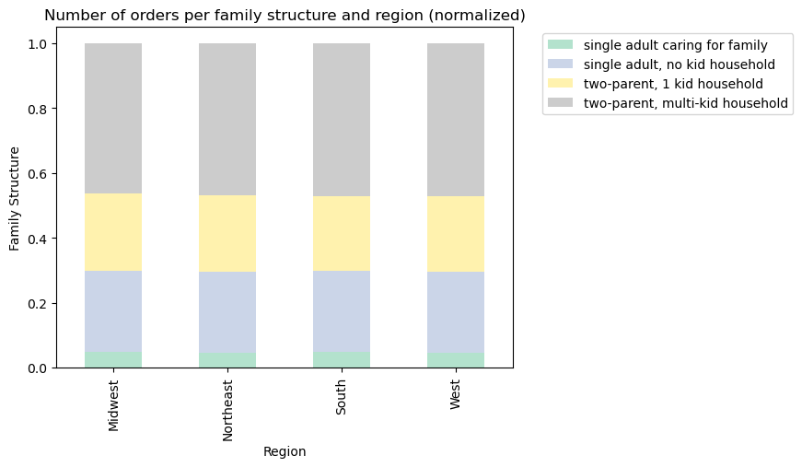
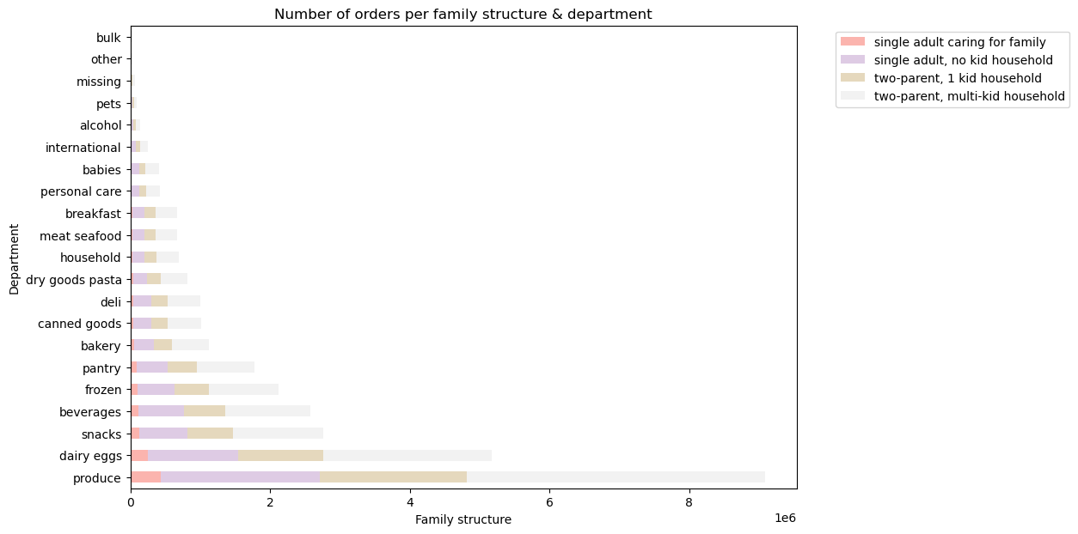
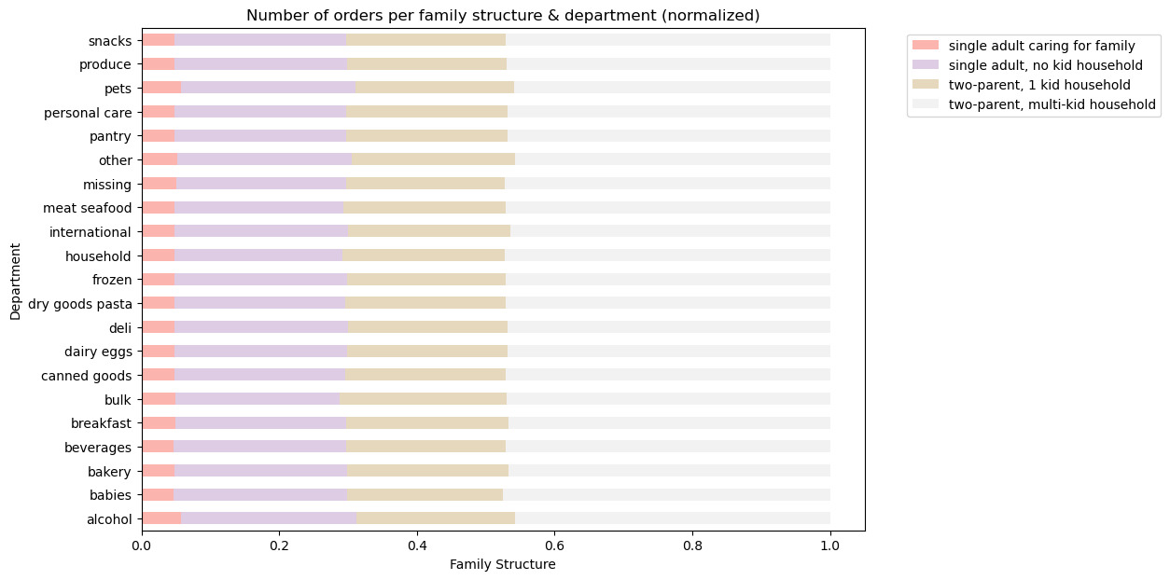
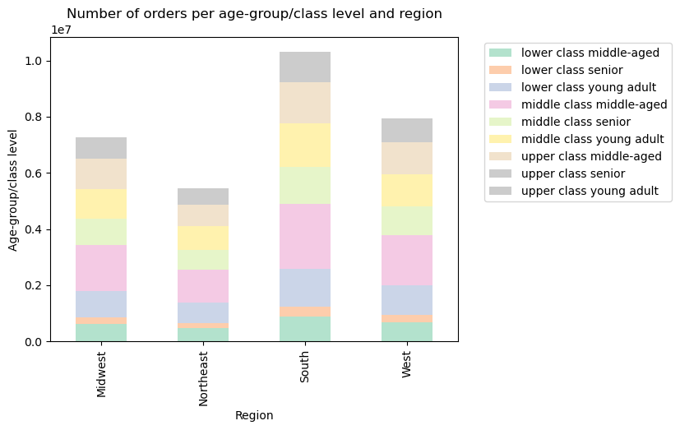
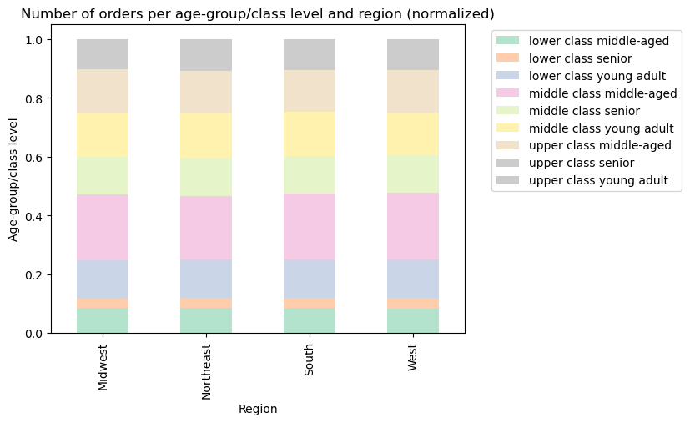
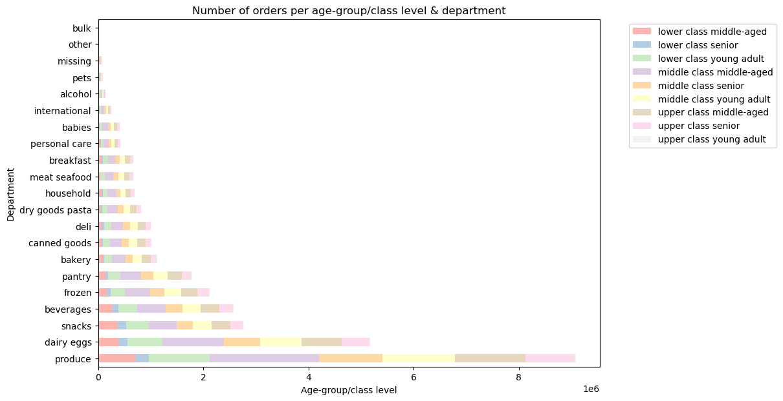
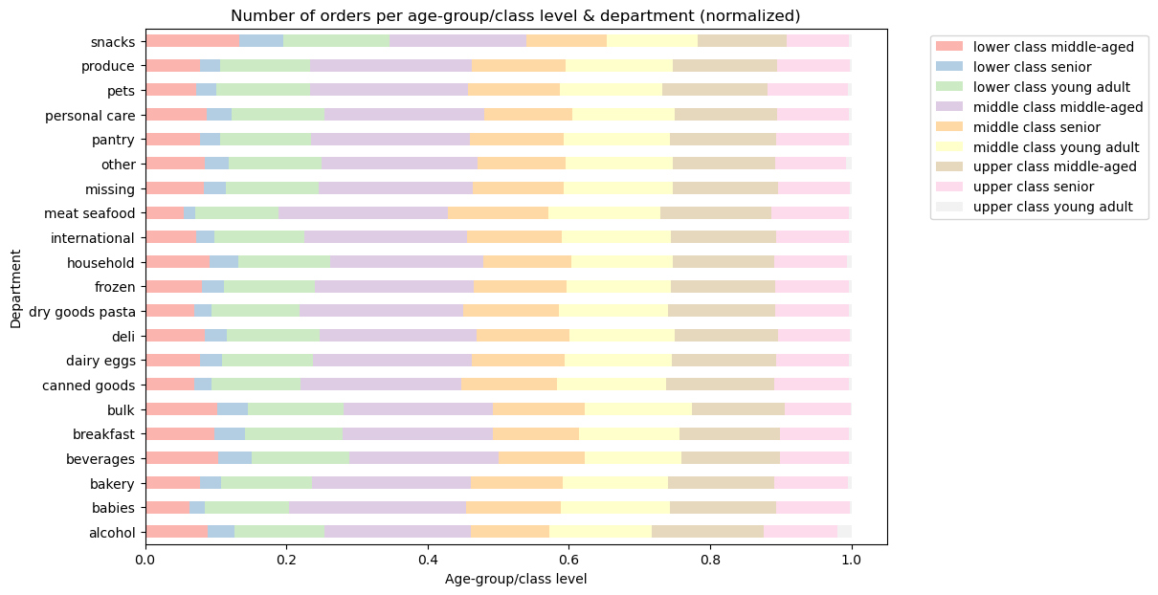
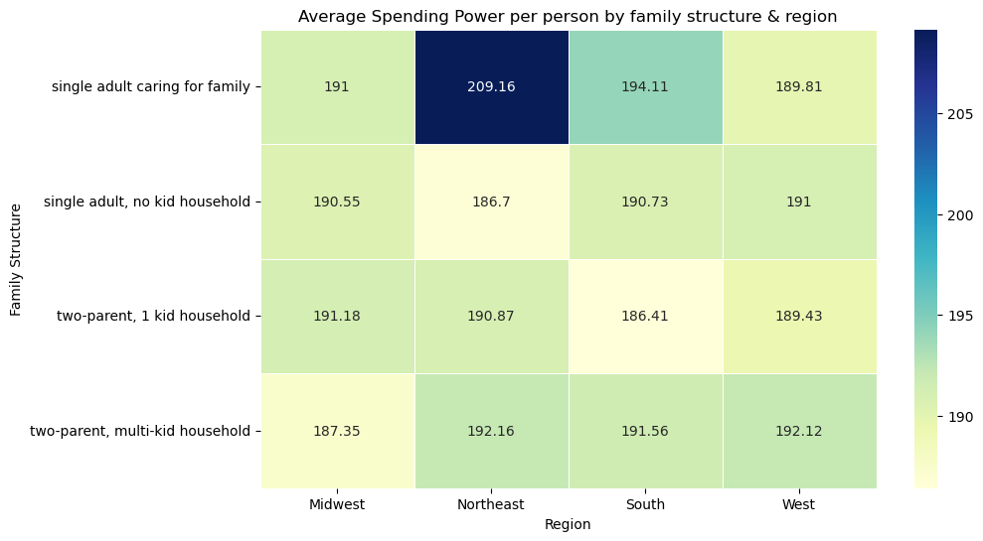
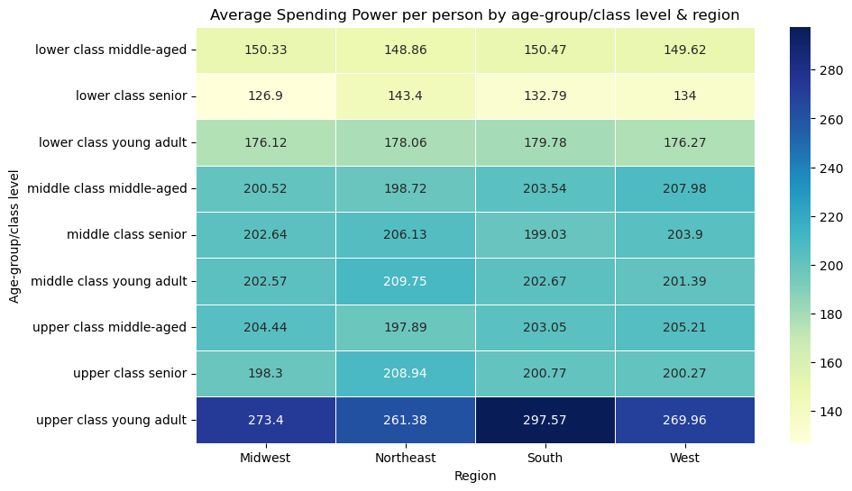
 |  | Title page

Visualisations

In this tab you should include all the visualtions from Exercises 4.9 and 4.10, alongside the questions from the project brief that they answer. Include any commentary on the relationship between different variables.

TASK 4.9 | TASK 4.10

3. Frequency of sales according to hour of day | 6. Create an appropriate visualization to show the distribution of profiles.
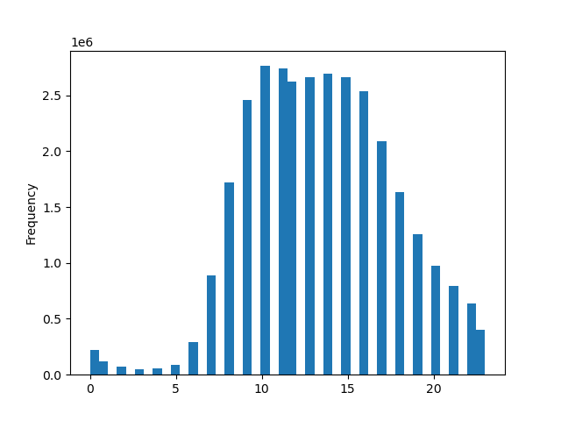
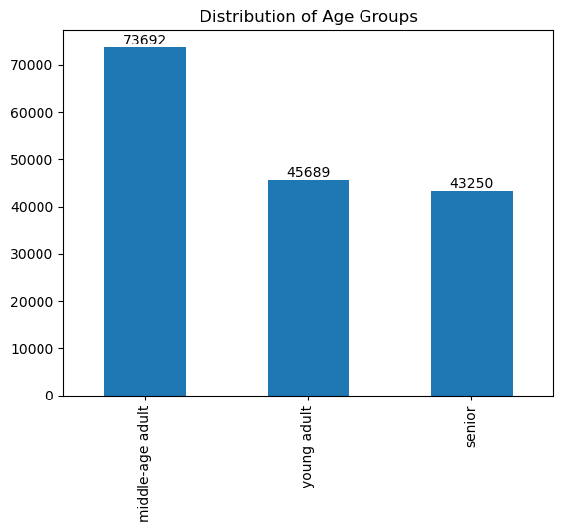
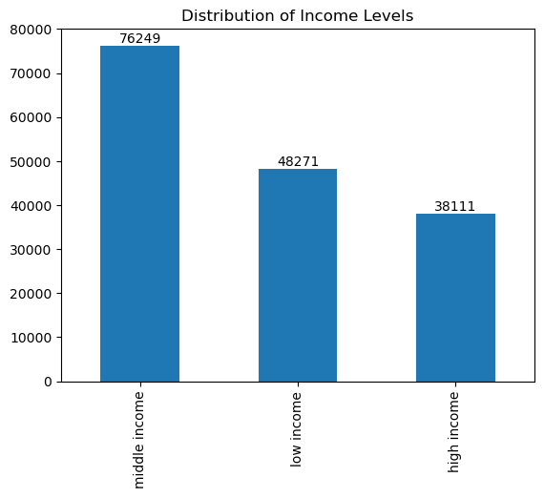

4. Distribution of orders according to loyalty level


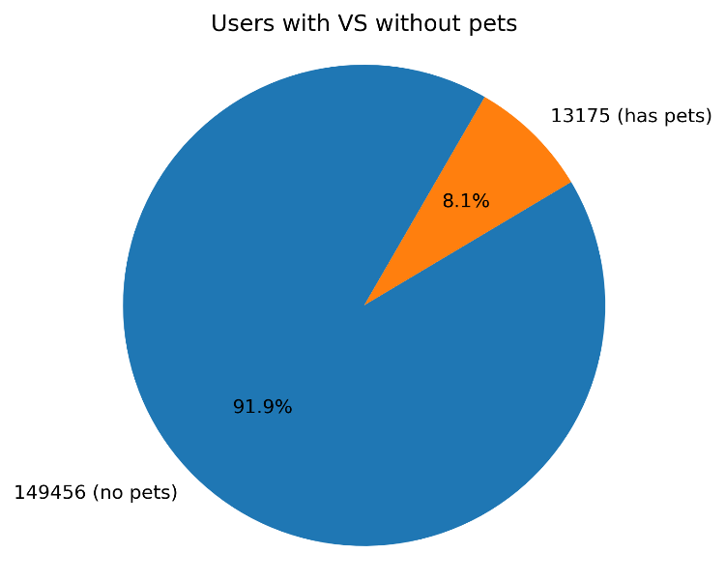
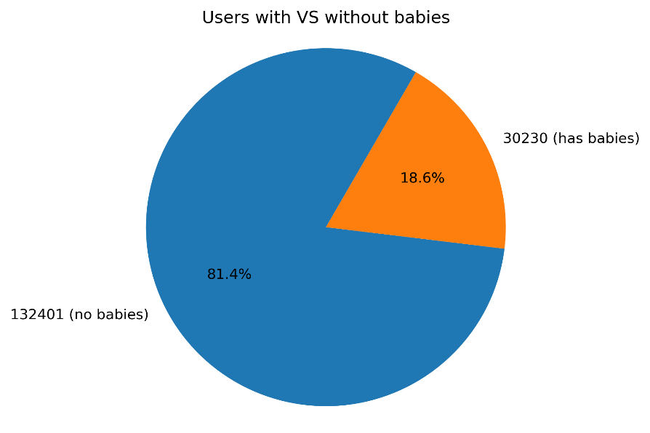

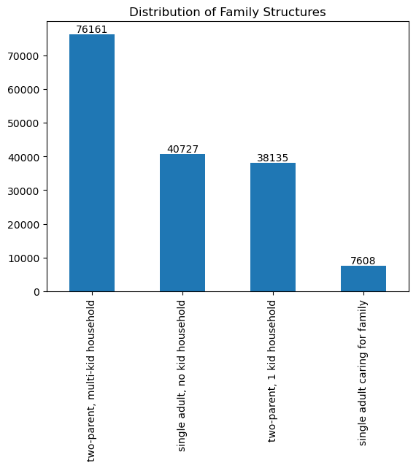
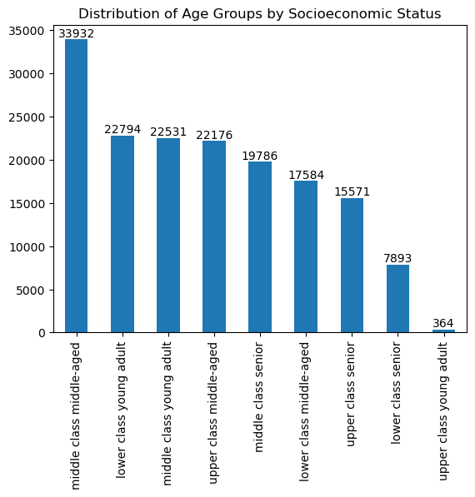

5. Spending per hour

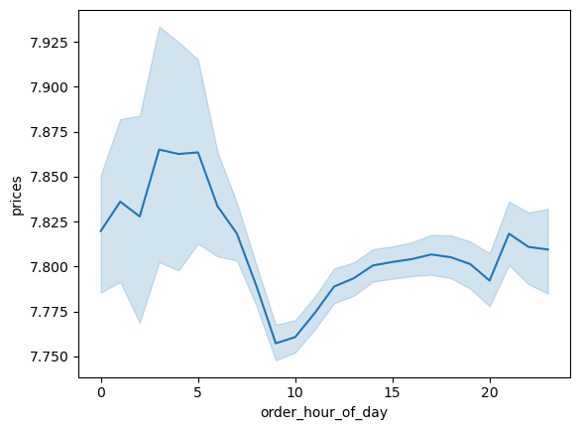

6. Connection between age and number of dependants

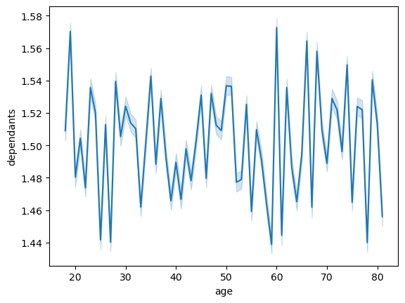
 | 8. Compare your customer profiles with regions and departments

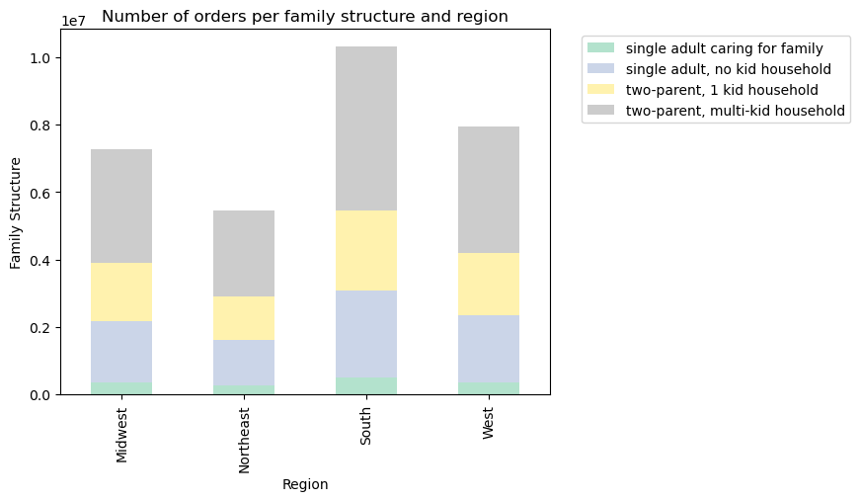

7. Correlation between age and income

7. Recommendations
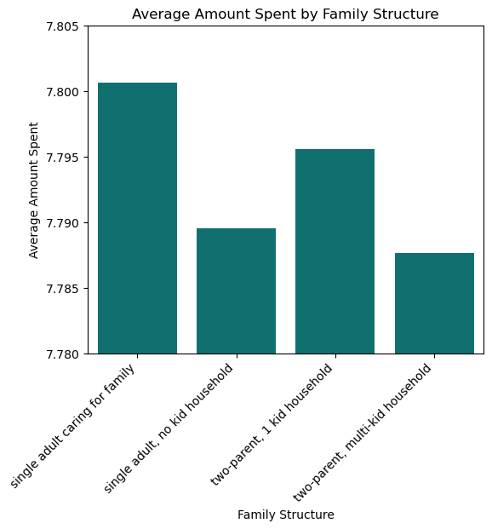
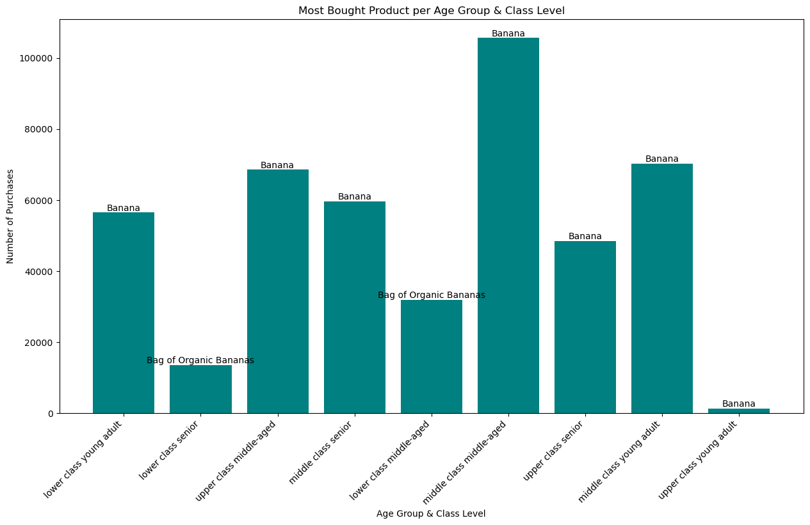
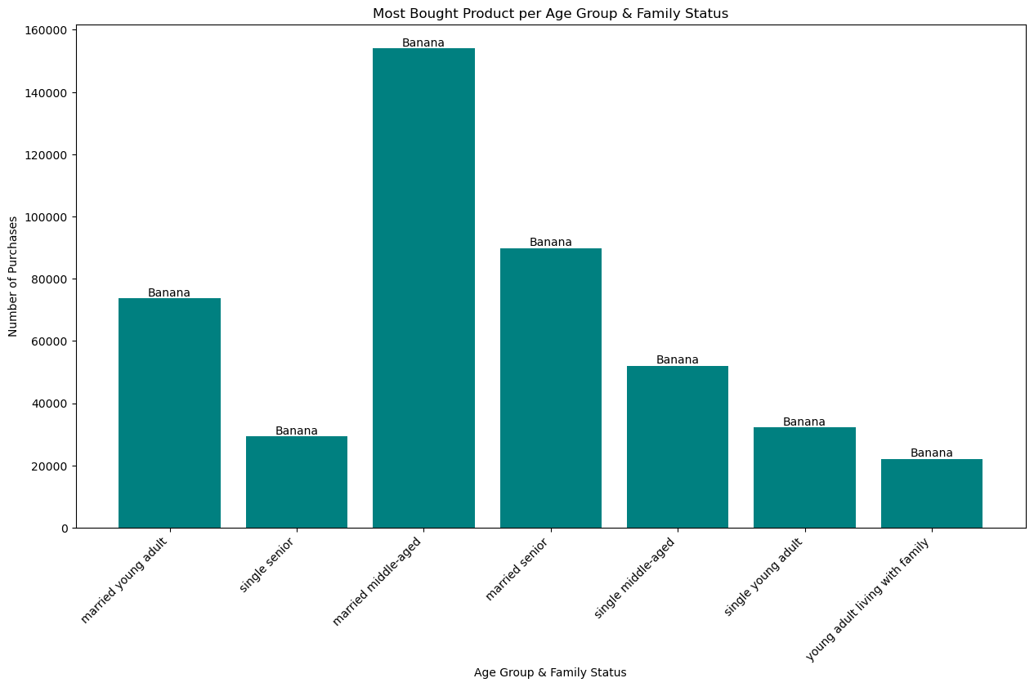
 |  | Title page

Recommendations

In this tab you should include any recommendations you would made to Instcart in terms of their marketing strategy based on the questions posed in the brief. Every key question has been covered in the Tasks of the Exercises - here you need to add an item - a visualisation or table/crosstable that is showing the answer in the data, acompanied by a comment from you. Please, list the questions below and add the answer underneath.

Question |  |  | Answer
Key Question 1 | 1. what the busiest days of the week and hours of the day

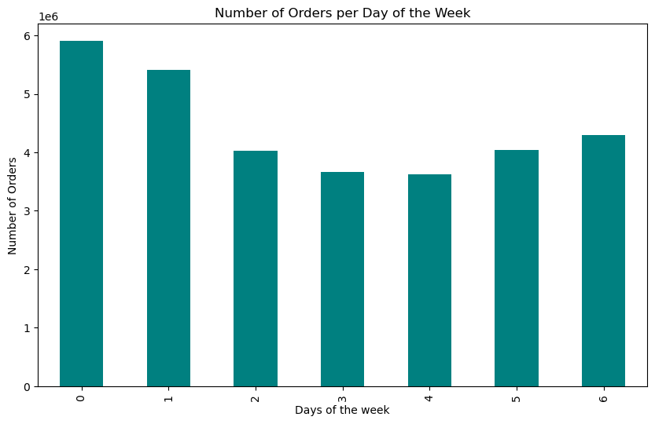
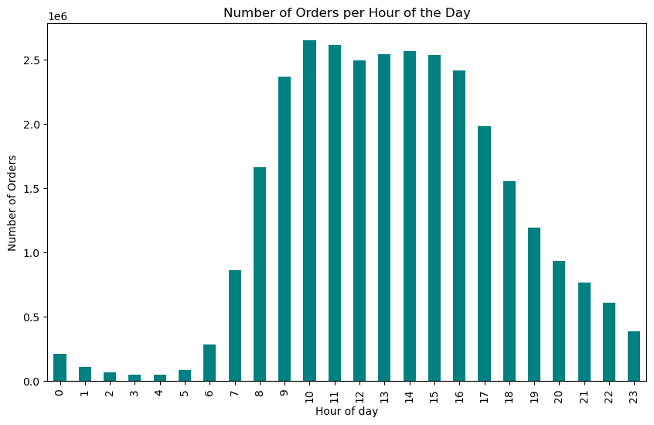
 |  |  | The busiest days are Saturday and Sunday.
 |  |  | The two busiest hours are 10 and 11am, but the most consistently busy period is from 10am to 3pm.

Key Question 2 | 2. particular times of the day when people spend the most money |  | Answer
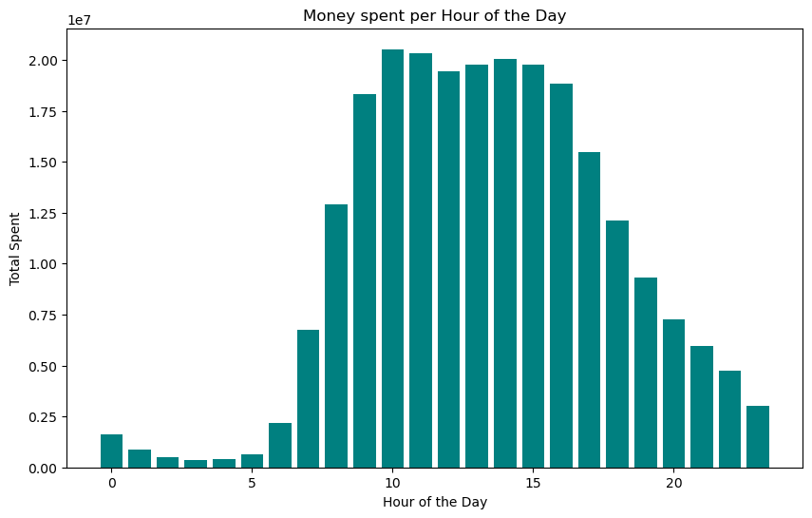
 |  |  | There seems to be a strong correlation between the number of orders and the amount of money spent, because the times of day when people spend the most is exactly when there are the most orders.

Key Question 3 | 3. Instacart has a lot of products with different price tags. Marketing and sales want to use simpler price range groupings to help direct their efforts |  | Answer
 |  |  | Most products are in the mid-range category, specifically 67.5%.

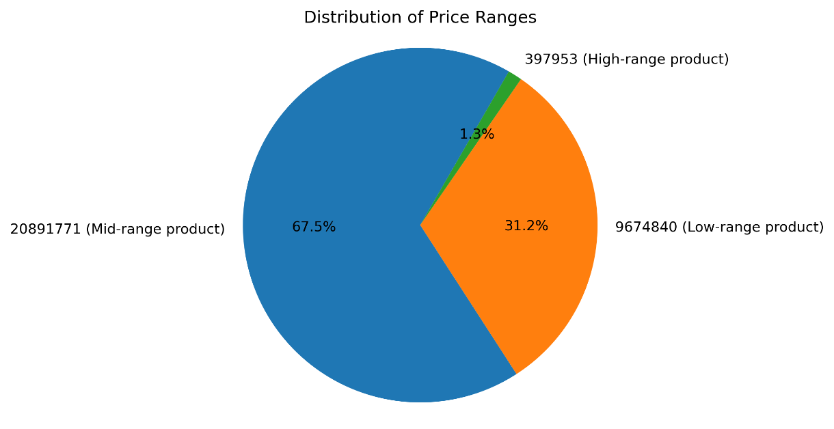

Key Question 4 | 4. Are there certain types of products that are more popular than others? |  | Answer
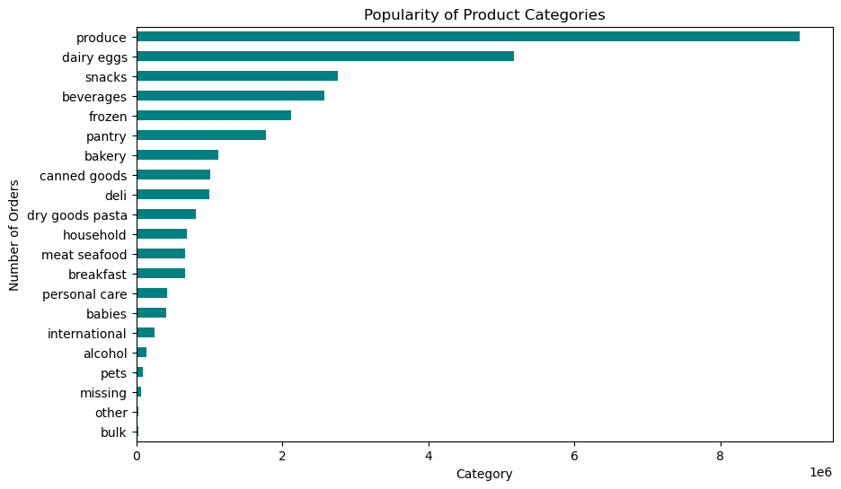
 |  |  | The 3 most popular product categories are produce, dairy eggs and snacks.

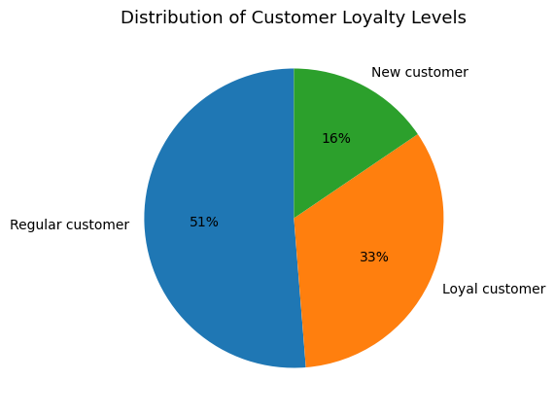
Key Question 5 | 5a. What’s the distribution among users in regards to their brand loyalty (i.e., how often do they return to Instacart)? |  | Answer
 |  |  | Most customers are in the 'regular category' with 10 to 39 recorded orders.

Key Question 6 | 5b. Are there differences in ordering habits based on a customer’s loyalty status? |  | Answer

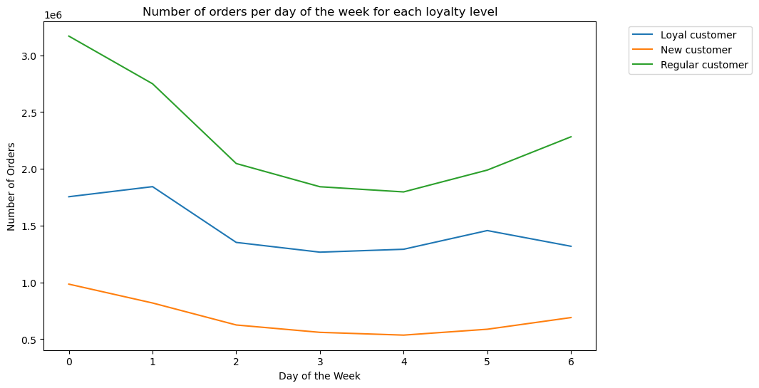
 |  |  | Regular customers make the most orders, ie, are the most active on every day of the week. On the other hand, New customers order the least. Regular customes order the most on Saturdays while Loyal customers do so on Sundays.

 |  |  | Marketing should be focused on turning New Customers into Regular Customers, since they bring the most traffic to the business.

Key Question 7 | 5c. Are there differences in ordering habits based on a customer’s region? |  | Answer
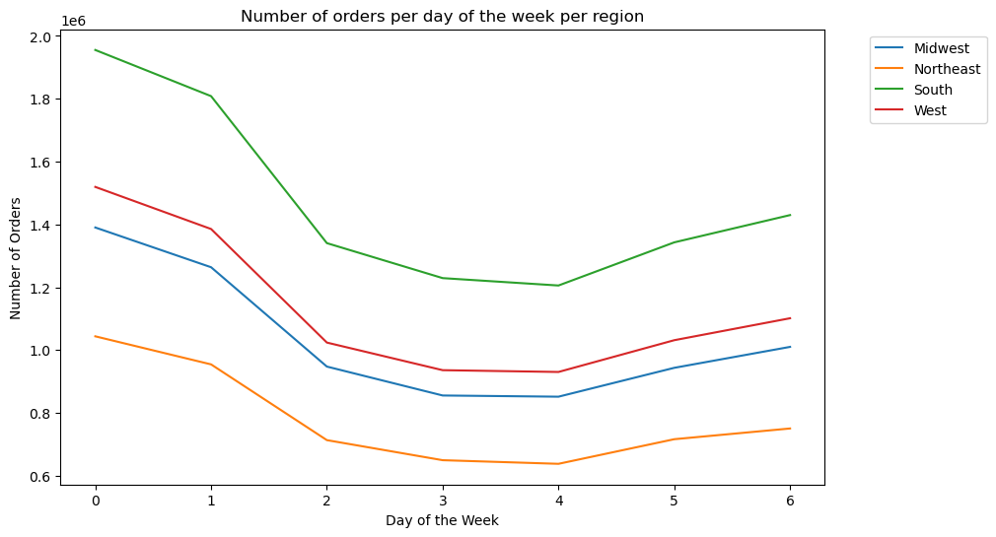
 |  |  | Are there differences? Besides the amount of orders taken per day by each region, with the South the most active and the Northeast the least of them, each region follows a similar pattern in their ordering habits for the week.

Key Question 8 | 5d. Is there a connection between age and family status in terms of ordering habits? |  | Answer

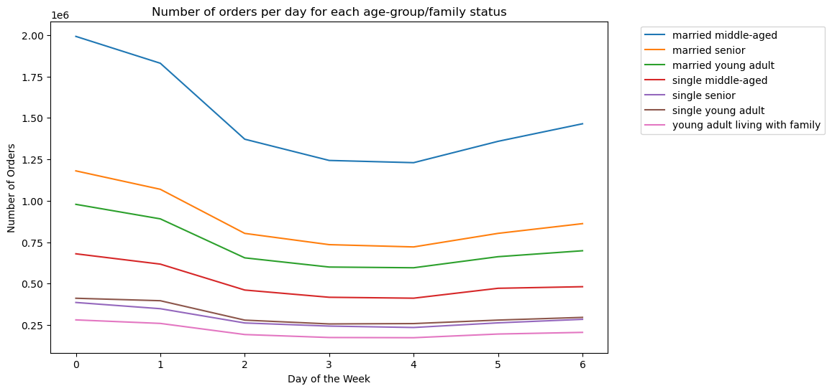
 |  |  | Married customers make the most orders per day and per hour, with middle-aged married customers ordering the most by a large margin. On the other hand, young adults living with family orders the least, and their order amount doesn’t change much during any day of the week or hour of the day.

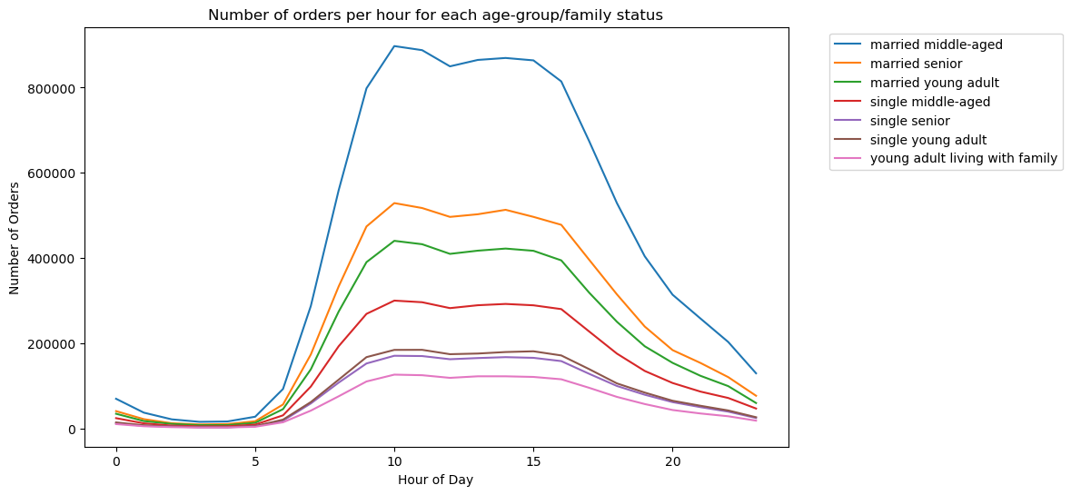

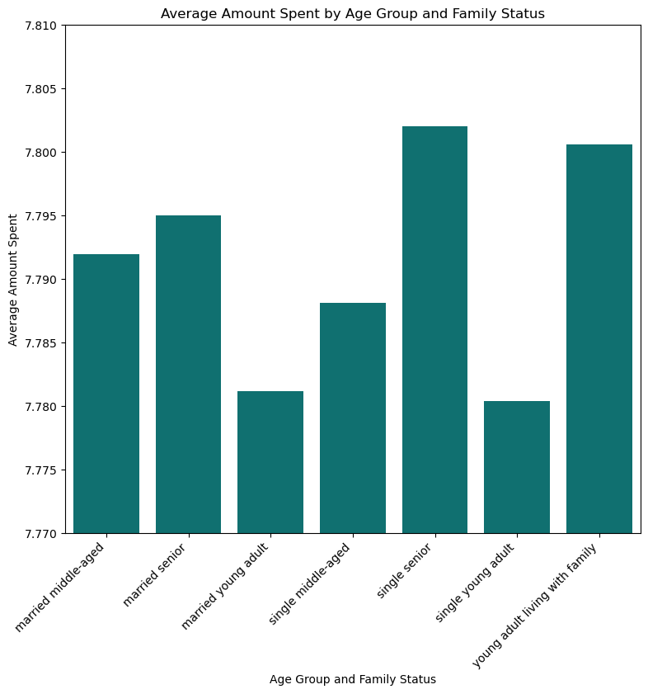
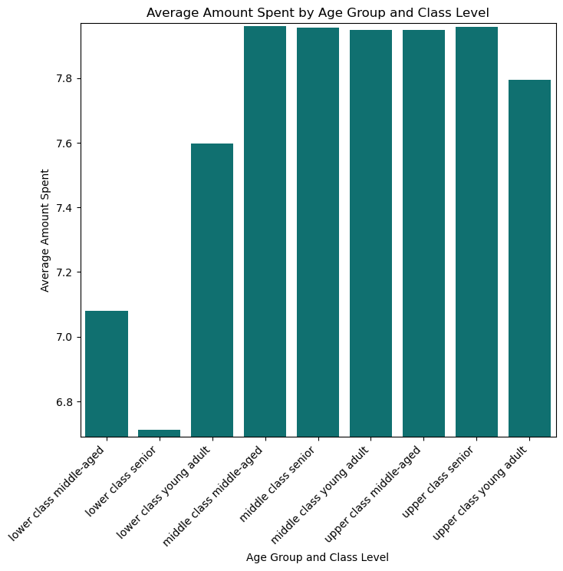
Key Question 9 | 5e. What differences can you find in ordering habits of different customer profiles? Consider the price of orders, the frequency of orders, the products customers are ordering, and anything else you can think of. |  | Answer
 |  |  | Single adults caring for family, single seniors and middle-class middle-aged adults spend the most on average. Apart from lower-class seniors and lowe-class middle-aged adults, everybody seems to buy bananas (regular) more than any other product.

 |  |  | Marketing should also be focused in increasing the average amount spent by married customers, since they already are the most active customer section. That will be easier than making the customers that spend the most (single seniors) be more active, knowing they have little need to spend more and in fact, are one of the least active demographics.

